Sheet1
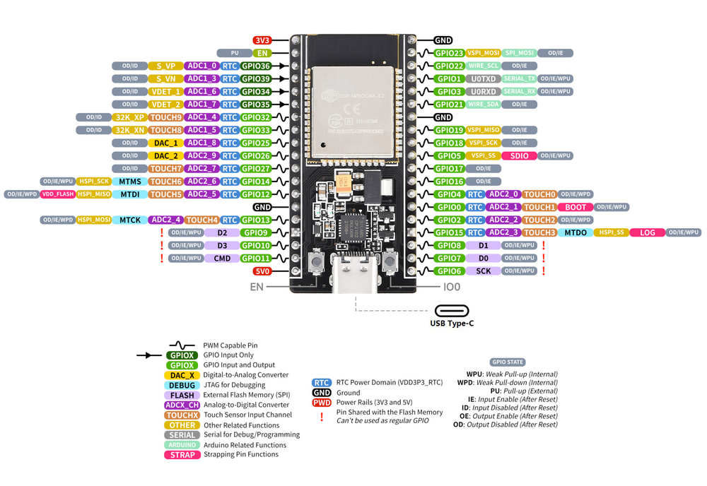
PIN | POWER | ADC | GPIO | FLASH | DAC | TOUCH | UART | I2C | SPI | FUNCTION
1 | 3.3V
2
3 |  | ADC0 | GPIO36
4 |  | ADC3 | GPIO39
5 |  | ADC6 | GPIO34
6 |  | ADC7 | GPIO35
7 |  | ADC4 | GPIO32 |  |  | TOUCH9
8 |  | ADC5 | GPIO33 |  |  | TOUCH8
9 |  | ADC18 | GPIO25 |  | DAC1 |  |  |  |  | Stepper 2 STEP
10 |  | ADC19 | GPIO26 |  | DAC2 |  |  |  |  | Stepper 2 DIR
11 |  | ADC17 | GPIO27 |  |  | TOUCH7 |  |  |  | Stepper 1 STEP
12 |  | ADC16 | GPIO14 |  |  | TOUCH6 |  |  |  | Stepper 1 DIR
13 |  | ADC15 | GPIO12 |  |  | TOUCH5
14 | GND
15 |  | ADC14 | GPIO |  |  | TOUCH4
16 |  |  | GPIO | FLASH D2 |  |  | RX1
17 |  |  | GPIO | FLASH D3 |  |  | TX1
18 | GND
19 | 5V
20 |  |  | GPIO6
21 |  |  | GPIO7
22 |  |  | GPIO8 | FLASH D1
23 |  |  | GPIO15 | FLASH D0 |  | TOUCH3
24 |  |  | GPIO2 | FLSDH CK |  | TOUCH2
25 |  |  | GPIO0 |  |  | TOUCH1
26 |  | ADC10 | GPIO4 |  |  | TOUCH0
27 |  | ADC11 | GPIO16 |  |  |  | RX2
28 |  | ADC12 | GPIO17 |  |  |  | TX2
29 |  | ADC13 | GPIO5 |  |  |  |  |  | SS | LED Matrix CS
30 |  |  | GPIO18 |  |  |  |  |  | SCK | LED Matrix CLK
31 |  |  | GPIO19 |  |  |  |  |  | MISO
32 | GND
33 |  |  | GPIO21 |  |  |  |  | SDA |  | Sensor SDA
34 |  |  | GPIO3 |  |  |  | TX0
35 |  |  | GPIO1 |  |  |  | RX0
36 |  |  | GPIO22 |  |  |  |  | SCL |  | Sensor SCL
37 |  |  | GPIO23 |  |  |  |  |  |  | LED Matrix DIN
38 | GND

